COVER
GREATER TZANEEN MUNICIPALITY


FINAL SERVICE DELIVERY AND BUDGET IMPLEMENTATION PLAN (SDBIP) 2023/2024 FINANCIAL YEAR
Approved by 27 June 2023

3.LEGISLATION
SERVICE DELIVERY AND IMPLEMENTATION PLAN 2023-24
1. INTRODUCTION

The Service Delivery and Budget Implementation Plan (SDBIP) seeks to promote municipal accountability and transparency and is an important instrument for service delivery and budgetary monitoring and evaluation. The SDBIP is a partnership contract between the administration, council and community which expresses the goals and objectives, set by the council as quantifiable outcomes that can be implemented by the administration over the next 12 months.

Diagram 1
SDBIP “contract”

SDBIP
Service delivery targets (by Top Manager and by Ward)
Performance indicators
Revenue and Expenditure by Vote
Council Administration
IDP

Budget
Monthly reports Mid-year performance assessment Annual Report

Employee Contracts and annual Performance agreements for the municipal manager & Senior managers

2. LEGISLATION

Section 1 of the MFMA defines the SDBIP as : A detailed plan approved by the mayor of the municipality in terms of section 53 (1) (c)(ii) for implementing the municipality’s delivery of services and the execution of its annual budget and which must include (as part of the top-layer) the following:
(a) Projections for each month of:
· Revenue to be collected, by source, and
· Operational and capital expenditure, by vote;
(b) Service delivery targets and performance indicators for each quarter.

In terms of National Treasury Circular No. 13 the SDBIP must provide a picture of service delivery areas, budget allocations and enable monitoring and evaluation. It specifically requires the SDBIP to include;
· Monthly projections of revenue to be collected for each source;
· Monthly projections of expenditure (operating and capital) and revenue for each vote
· Quarterly projections of service delivery targets and performance indicators for each vote;
· Information for expenditure and delivery; and
· Detailed capital works plan

In terms of Sections 69 (3) (a) and (b) of the MFMA the accounting officer of a municipality must submit to the Mayor within 14 days after the approval an annual budget, a draft SDBIP for the budget year and drafts of the annual performance plans as required in terms of Section 57 (1) (b) of the Municipal Systems Act (MSA) for the municipal manager and all senior managers. Furthermore, according to Section 53 (1) (c) (ii) and (iii) of the MFMA, the Mayor is expected to approve the SDBIP within 28 days after the approval of the budget.
The Greater Tzaneen Municipality’s 2021/22 Medium- term Budget and Integrated Development Plan (IDP) have been approved by Council on 27 May 2021 in terms of the MFMA and the MSA respectively. The process leading to the draft Budget, IDP and business plans, which have an important bearing on the finalizations of the SDBIP, includes the following elements:
Departmental business plans/departmental SDBIPs. These departmental SDBIPs provide the details plans and targets according to which the department’s performance will be monitored.
The departmental SDBIPs contain performance plans of senior managers. The performance plans were formulated in terms of the IDP sector plans and the operational mandates relevant to each department. The performance plans forms the basis for the signing of the annual performance agreements of the Municipal Manager and Senior Managers. The SDBIP represents the key performance targets as captured across core departments.

4.METHODOLOGY
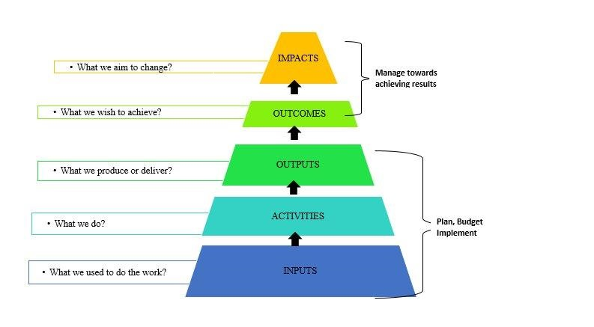
Methodology and Content

The development of the SDBIP was influenced by the Priorities, Strategic Objectives, Programme Objectives and Strategies contained in the IDP
ensuring progress towards the achievement thereof. The SDBIP of Greater Tzaneen Municipality (GTM) is aligned to the Key Performance Areas (KPAs)
Spatial Rationale as another KPA to be focused upon.
The methodology followed by GTM in the development of the SDBIP is line with National Treasury Framework contained in the Framework for Managing
Programme Performance Information.

APPROVAL
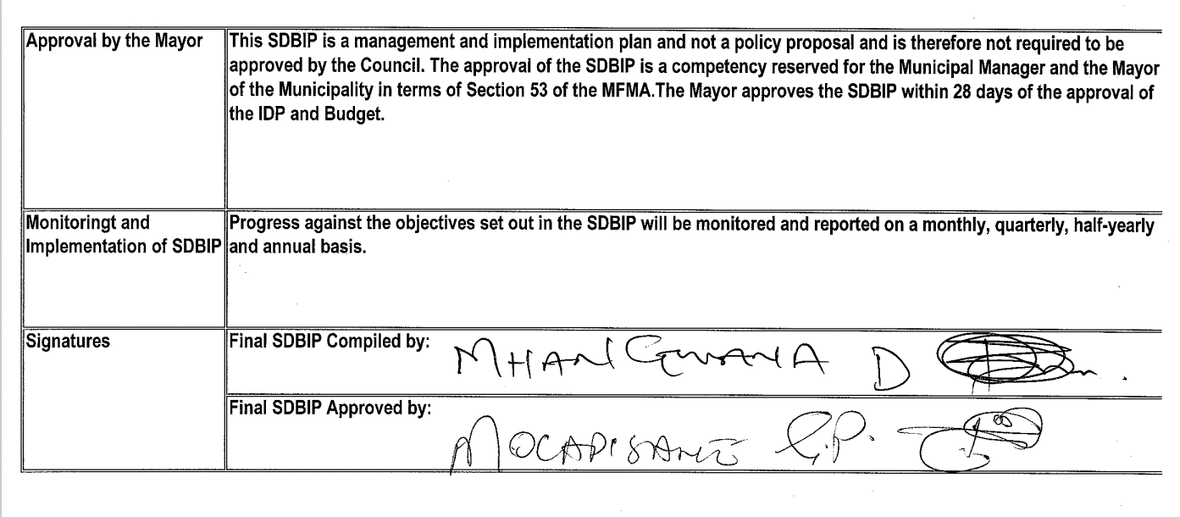
Approval by the Mayor | In terms of section 54c of the MFMA the municipality should consider and,if necessary, make any revisios to the service delivery and budget implentation plan,provided that revisions to the service delivery targets and performance indicators in the plan may only be made with the approval of the council following approval of an adjustment budget
Monitoringt and Implementation of SDBIP | Progress against the objectives set out in the SDBIP will be monitored and reported on a monthly, quarterly, half-yearly and annual basis.
Signatures | Adjusted SDBIP Compiled by:
 | Adjusted SDBIP Approved by:

